BugReport
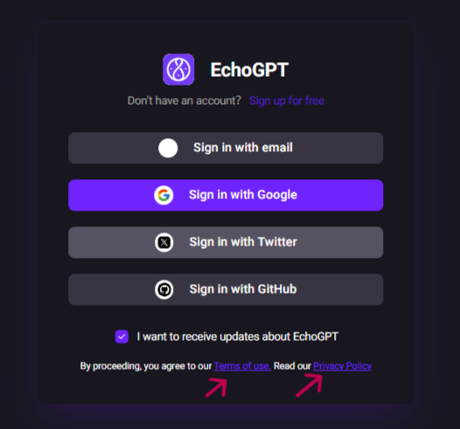
Bug ID: | BUG-001
Title: | Privacy Policy & User Agreement links not clickable
Severity: | Medium
Priority: | High
Environment: | Windows 11, Chrome v126
Steps to Reproduce: | 1.Go to EchoGPT website 2. Navigate to the Sign-In page 3. Scroll to the bottom where "Privacy Policy" and "Terms of Use" links are displayed 4. Try clicking on the links

Expected Result: | Both links should be clickable and redirect to the respective documents/pages.

Actual Result: | Links are displayed as text only

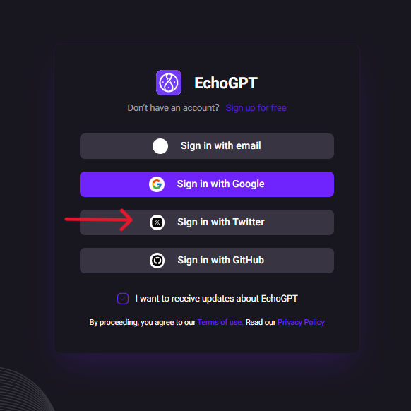
Bug ID: | BUG-002
Title: | Twitter sign-in button not working
Severity: | High
Priority: | High
Environment: | Windows 11, Chrome v126

Steps to Reproduce: | Go to EchoGPT website Click on "Sign In" Click " Sign In with Twitter"
Expected Result: | User should be redirected to the Twitter authentication page for login.
Actual Result: | no action occurs.

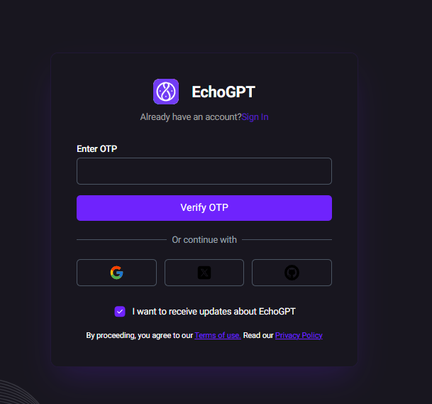

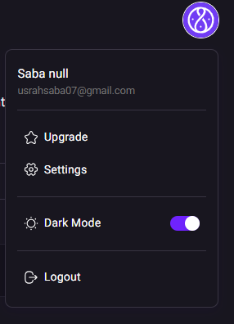
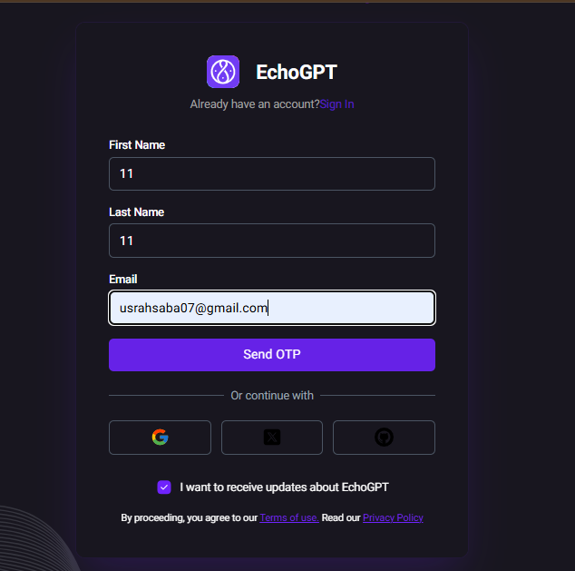
Bug ID: | BUG-003
Title: | Duplicate Email Sign-Up
Severity: | High
Priority: | High
Environment: | Windows 11, Chrome v126
Steps to Reproduce: | Sign up with a valid Gmail account (example: usrahsaba07@gmail.com)
 | Complete OTP verification successfully
 | Go to Sign-Up page again
 | Enter the same Gmail and try to register
Expected Result: | System should show a warning/error message like "Email already exists" and prevent duplicate sign-up.
Actual Result: | No OTP email is received, and the “Enter OTP” page is confusing for the user

